Costos Sin Cambios
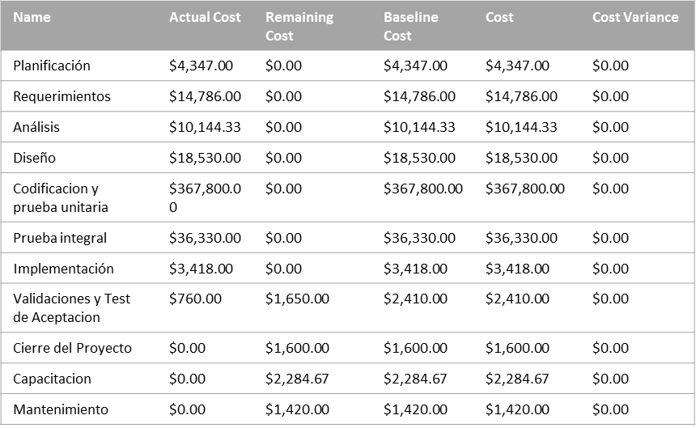
COST OVERVIEW
PROGRESS VERSUS COST
Progress made versus the cost spent over time. If % Complete line below the cumulative cost line,your project may be over budget.
Baseline 9

-
 | Cumulative Percent Complete | Cumulative Cost
8/18/13 | 1% | $3,549.00
9/1/13 | 3% | $9,934.50
9/15/13 | 6% | $17,949.00
9/29/13 | 8% | $22,398.00
10/13/13 | 10% | $27,264.00
10/27/13 | 12% | $34,624.33
11/10/13 | 14% | $43,788.58
11/24/13 | 17% | $55,197.33
12/8/13 | 20% | $66,897.33
12/22/13 | 22% | $73,917.33
1/5/14 | 25% | $85,617.33
1/19/14 | 28% | $97,317.33
2/2/14 | 31% | $107,847.33
2/16/14 | 34% | $120,867.33
3/2/14 | 37% | $137,337.33
3/16/14 | 40% | $153,807.33
3/30/14 | 43% | $172,107.33
4/13/14 | 46% | $190,407.33
4/27/14 | 50% | $208,707.33
5/11/14 | 53% | $227,007.33
5/25/14 | 56% | $245,307.33
6/8/14 | 59% | $263,607.33
6/22/14 | 62% | $281,907.33
7/6/14 | 65% | $300,207.33
7/20/14 | 69% | $318,507.33
8/3/14 | 72% | $336,807.33
8/17/14 | 75% | $355,107.33
8/31/14 | 78% | $373,407.33
9/14/14 | 81% | $391,707.33
9/28/14 | 84% | $410,007.33
10/12/14 | 89% | $426,103.33
10/26/14 | 97% | $454,925.33
11/9/14 | 97% | $456,875.33
11/23/14 | 97% | $463,069.85

COST STATUS
Cost status for all top-level tasks. Is your baseline zero?
Try setting as baseline
 | Remaining Cost | Actual Cost | Baseline Cost
Planificación | $0.00 | $4,347.00 | $4,347.00
Requerimientos | $0.00 | $14,786.00 | $14,786.00
Análisis | $0.00 | $10,144.33 | $10,144.33
Diseño | $0.00 | $18,530.00 | $18,530.00
Codificacion y prueba unitaria | $0.00 | $367,800.00 | $367,800.00
Prueba integral | $0.00 | $36,330.00 | $36,330.00
Implementación | $0.00 | $3,418.00 | $3,418.00
Validaciones y Test de Aceptacion | $1,650.00 | $760.00 | $2,410.00
Cierre del Proyecto | $1,600.00 | $0.00 | $1,600.00
Capacitacion | $2,284.67 | $0.00 | $2,284.67
Mantenimiento | $1,420.00 | $0.00 | $1,420.00

COST STATUS
Cost status for top level tasks.

Costos Con Cambios Propuestos
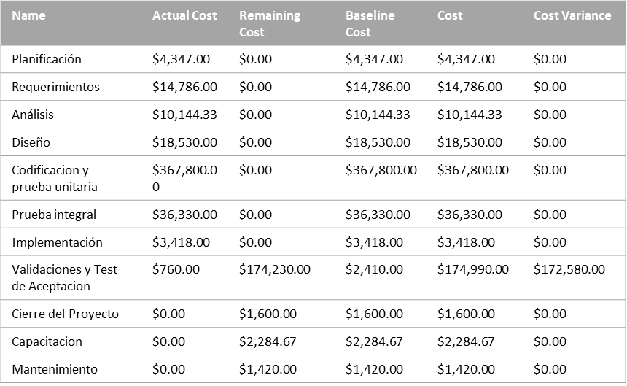
COST OVERVIEW
PROGRESS VERSUS COST
Progress made versus the cost spent over time. If % Complete line below the cumulative cost line,your project may be over budget.

-
 | Cumulative Percent Complete | Cumulative Cost
8/18/13 | 1% | $3,549.00
9/1/13 | 2% | $9,934.50
9/15/13 | 4% | $17,949.00
9/29/13 | 6% | $22,398.00
10/13/13 | 7% | $27,264.00
10/27/13 | 9% | $34,624.33
11/10/13 | 10% | $43,788.58
11/24/13 | 13% | $55,197.33
12/8/13 | 15% | $66,897.33
12/22/13 | 16% | $73,917.33
1/5/14 | 19% | $85,617.33
1/19/14 | 21% | $97,317.33
2/2/14 | 23% | $107,847.33
2/16/14 | 26% | $120,867.33
3/2/14 | 28% | $137,337.33
3/16/14 | 30% | $153,807.33
3/30/14 | 32% | $172,107.33
4/13/14 | 35% | $190,407.33
4/27/14 | 37% | $208,707.33
5/11/14 | 39% | $227,007.33
5/25/14 | 42% | $245,307.33
6/8/14 | 44% | $263,607.33
6/22/14 | 47% | $281,907.33
7/6/14 | 49% | $300,207.33
7/20/14 | 51% | $318,507.33
8/3/14 | 54% | $336,807.33
8/17/14 | 56% | $355,107.33
8/31/14 | 58% | $373,407.33
9/14/14 | 61% | $391,707.33
9/28/14 | 63% | $410,007.33
10/12/14 | 67% | $426,103.33
10/26/14 | 72% | $454,925.33
11/9/14 | 73% | $485,600.33
11/23/14 | 73% | $521,480.33
12/7/14 | 73% | $544,570.33
12/21/14 | 73% | $570,555.33
1/4/15 | 73% | $594,640.33
1/18/15 | 73% | $619,040.33
2/1/15 | 73% | $633,157.18
2/15/15 | 73% | $635,649.80

COST STATUS
Cost status for all top-level tasks. Is your baseline zero?
Try setting as baseline
 | Remaining Cost | Actual Cost | Baseline Cost
Planificación | $0.00 | $4,347.00 | $4,347.00
Requerimientos | $0.00 | $14,786.00 | $14,786.00
Análisis | $0.00 | $10,144.33 | $10,144.33
Diseño | $0.00 | $18,530.00 | $18,530.00
Codificacion y prueba unitaria | $0.00 | $367,800.00 | $367,800.00
Prueba integral | $0.00 | $36,330.00 | $36,330.00
Implementación | $0.00 | $3,418.00 | $3,418.00
Validaciones y Test de Aceptacion | $174,230.00 | $760.00 | $2,410.00
Cierre del Proyecto | $1,600.00 | $0.00 | $1,600.00
Capacitacion | $2,284.67 | $0.00 | $2,284.67
Mantenimiento | $1,420.00 | $0.00 | $1,420.00

COST STATUS
Cost status for top level tasks.

Cash Flow Sin Cambios
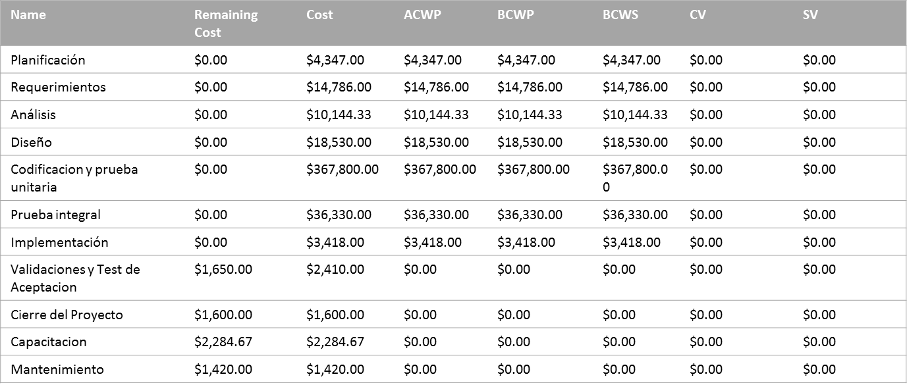
Cash Flow

 | Cost | Cumulative Cost
August 2013 | $3,549.00 | $3,549.00
September 2013 | $15,184.00 | $18,733.00
October 2013 | $10,472.33 | $29,205.33
November 2013 | $20,022.00 | $49,227.33
December 2013 | $22,350.00 | $71,577.33
January 2014 | $25,740.00 | $97,317.33
February 2014 | $23,550.00 | $120,867.33
March 2014 | $34,770.00 | $155,637.33
April 2014 | $40,260.00 | $195,897.33
May 2014 | $40,260.00 | $236,157.33
June 2014 | $38,430.00 | $274,587.33
July 2014 | $42,090.00 | $316,677.33
August 2014 | $38,430.00 | $355,107.33
September 2014 | $40,260.00 | $395,367.33
October 2014 | $50,506.00 | $445,873.33
November 2014 | $15,526.51 | $461,399.85
December 2014 | $1,670.00 | $463,069.85
The chart shows the project's cumulative cost and the cost per quater.
To see the costs for a different time period, select the Edit option from the Field List.
The table below shows cost information for all top-level tasks.
To see cost stats for all tasks, set the Outline Level in the Field List.

Cash Flow Con Cambios

Cash Flow

 | Cost | Cumulative Cost
August 2013 | $3,549.00 | $3,549.00
September 2013 | $15,184.00 | $18,733.00
October 2013 | $10,472.33 | $29,205.33
November 2013 | $20,022.00 | $49,227.33
December 2013 | $22,350.00 | $71,577.33
January 2014 | $25,740.00 | $97,317.33
February 2014 | $23,550.00 | $120,867.33
March 2014 | $34,770.00 | $155,637.33
April 2014 | $40,260.00 | $195,897.33
May 2014 | $40,260.00 | $236,157.33
June 2014 | $38,430.00 | $274,587.33
July 2014 | $42,090.00 | $316,677.33
August 2014 | $38,430.00 | $355,107.33
September 2014 | $40,260.00 | $395,367.33
October 2014 | $50,506.00 | $445,873.33
November 2014 | $61,807.00 | $507,680.33
December 2014 | $59,555.00 | $567,235.33
January 2015 | $51,805.00 | $619,040.33
February 2015 | $16,609.51 | $635,649.85

Detalle por Cambio
COST OVERVIEW

-

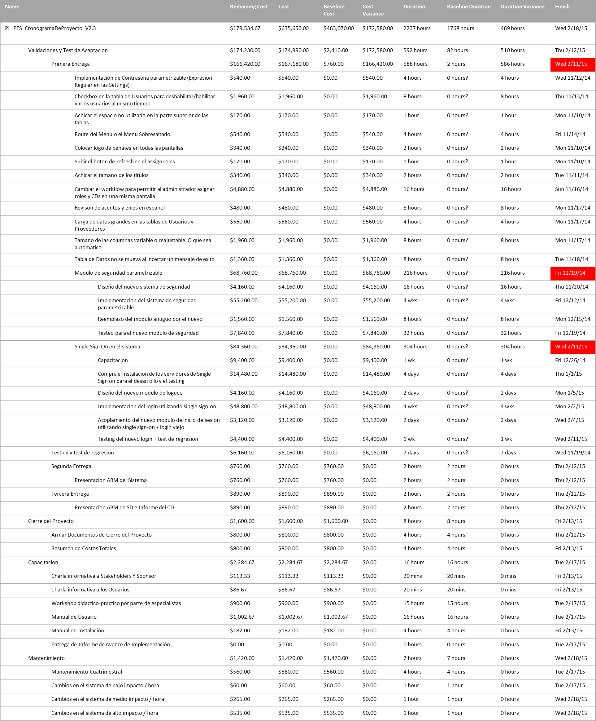
COST STATUS
Cost status for top level tasks.

Resources Changes
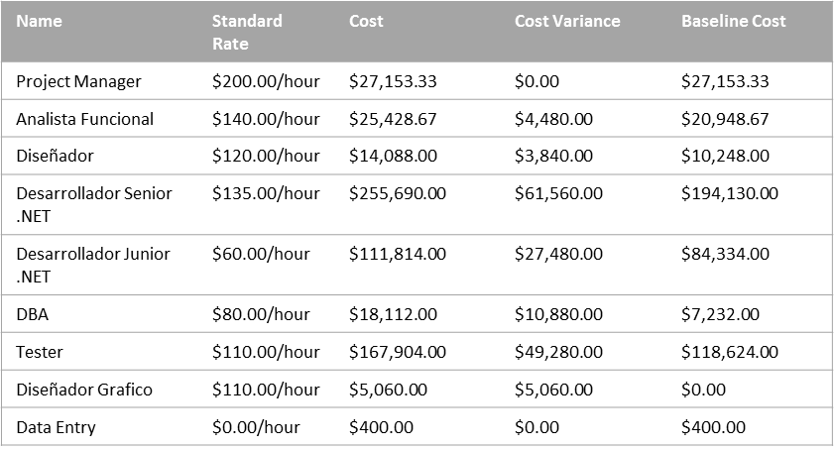
Resource Cost Overview

COST STATUS
COST DISTRIBUTION
Cost status for work resources.
How costs are spread out amongst different resource types.
 | Actual Cost | Remaining Cost | Baseline Cost
Project Manager | $24,420.00 | $2,733.33 | $27,153.33
Analista Funcional | $20,169.33 | $5,259.33 | $20,948.67
Diseñador | $10,008.00 | $4,080.00 | $10,248.00
Desarrollador Senior .NET | $193,482.00 | $62,208.00 | $194,130.00
Desarrollador Junior .NET | $82,320.00 | $29,494.00 | $84,334.00
DBA | $6,912.00 | $11,200.00 | $7,232.00
Tester | $118,404.00 | $49,500.00 | $118,624.00
Diseñador Grafico | $0.00 | $5,060.00 | $0.00
Data Entry | $400.00 | $0.00 | $400.00
 | Cost
Type: Work | $625,650.00
Type: Material | $10,000.00

COST DETAILS
Cost details for all work resources.

Resumen Aprobado
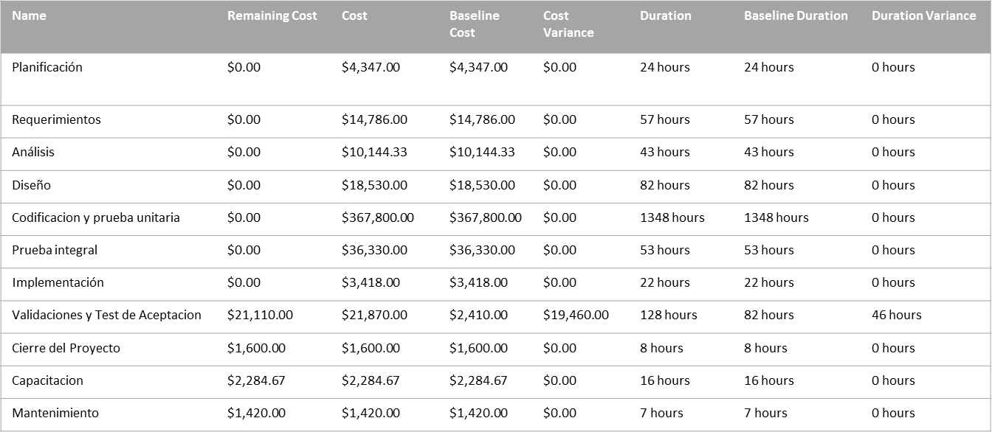
COST OVERVIEW
PROGRESS VERSUS COST
Progress made versus the cost spent over time. If % Complete line below the cumulative cost line,your project may be over budget.

-
 | Cumulative Percent Complete | Cumulative Cost
8/18/13 | 1% | $3,549.00
9/1/13 | 3% | $9,934.50
9/15/13 | 6% | $17,949.00
9/29/13 | 7% | $22,398.00
10/13/13 | 9% | $27,264.00
10/27/13 | 11% | $34,624.33
11/10/13 | 13% | $43,788.58
11/24/13 | 16% | $55,197.33
12/8/13 | 19% | $66,897.33
12/22/13 | 21% | $73,917.33
1/5/14 | 24% | $85,617.33
1/19/14 | 27% | $97,317.33
2/2/14 | 29% | $107,847.33
2/16/14 | 32% | $120,867.33
3/2/14 | 35% | $137,337.33
3/16/14 | 38% | $153,807.33
3/30/14 | 41% | $172,107.33
4/13/14 | 44% | $190,407.33
4/27/14 | 47% | $208,707.33
5/11/14 | 50% | $227,007.33
5/25/14 | 53% | $245,307.33
6/8/14 | 56% | $263,607.33
6/22/14 | 59% | $281,907.33
7/6/14 | 61% | $300,207.33
7/20/14 | 64% | $318,507.33
8/3/14 | 67% | $336,807.33
8/17/14 | 70% | $355,107.33
8/31/14 | 73% | $373,407.33
9/14/14 | 76% | $391,707.33
9/28/14 | 79% | $410,007.33
10/12/14 | 84% | $426,103.33
10/26/14 | 91% | $454,925.33
11/9/14 | 91% | $476,335.33
11/23/14 | 91% | $482,529.85

COST ATUS
Cost status for all top-level tasks. Is your baseline zero?
Try setting as baseline

COST STATUS
Cost status for top level tasks.

Detalle Aprobado
-
COST OVERVIEW

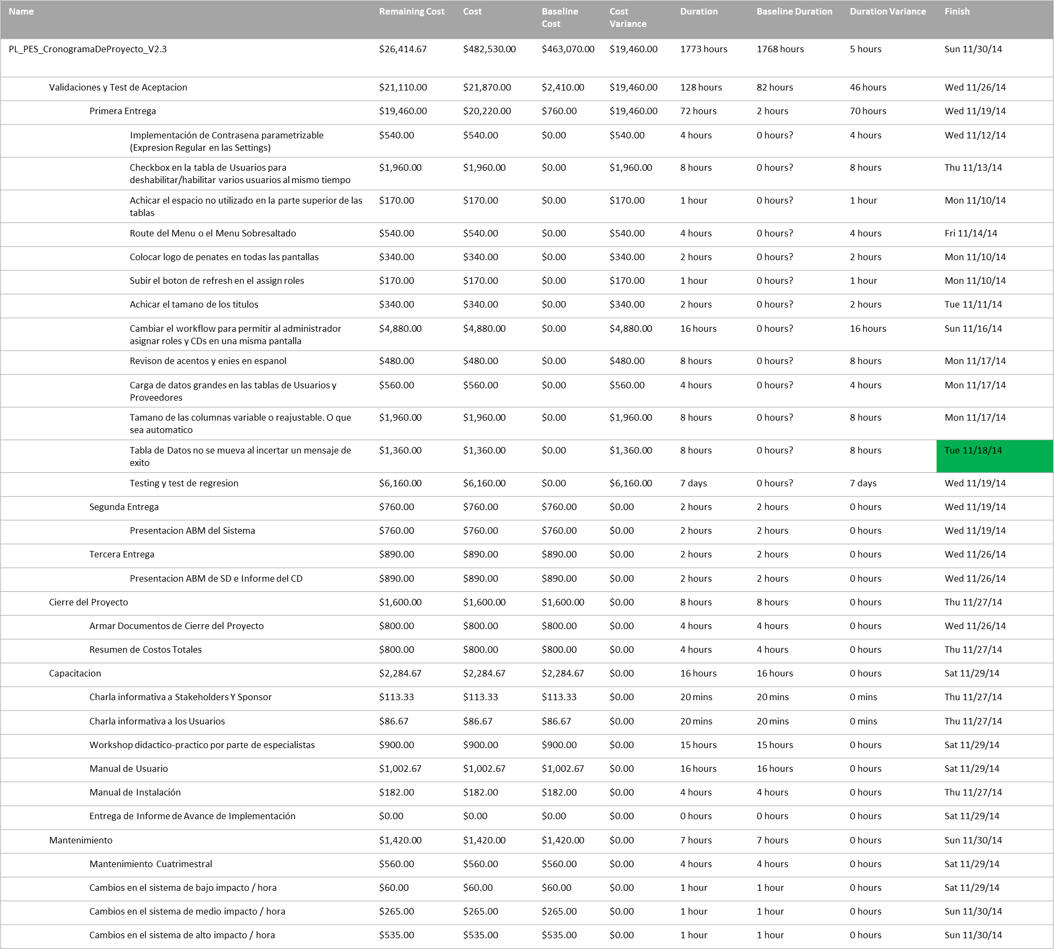
COST STATUS
Cost status for top level tasks.

Comparacion
Baselines

 | Baseline9 Estimated Duration | Baseline8 Estimated Duration | Scheduled Duration
Validaciones y Test de Aceptacion | 6hrs | 578hrs | 114hrs
Cierre del Proyecto | 8hrs | 8hrs | 8hrs
Capacitacion | 16hrs | 16hrs | 16hrs
Mantenimiento | 7hrs | 7hrs | 7hrs
 | Baseline9 Cost | Baseline8 Cost | Cost
Validaciones y Test de Aceptacion | $2,410.00 | $176,750.00 | $21,870.00
Cierre del Proyecto | $1,600.00 | $1,600.00 | $1,600.00
Capacitacion | $2,284.67 | $2,284.67 | $2,284.67
Mantenimiento | $1,420.00 | $1,420.00 | $1,420.00

